Sheet1
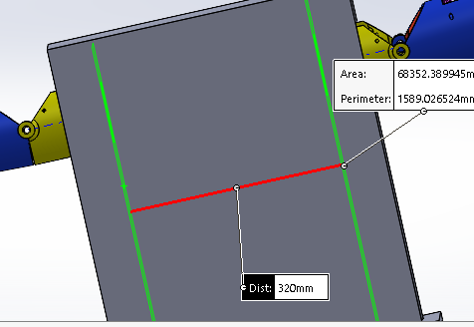

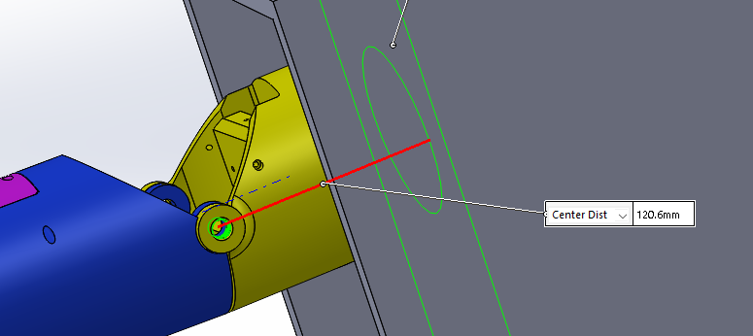

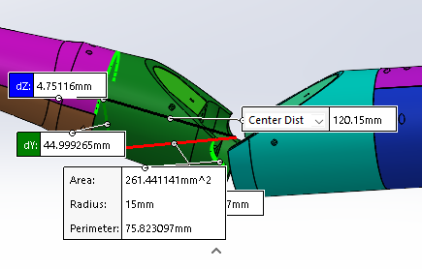

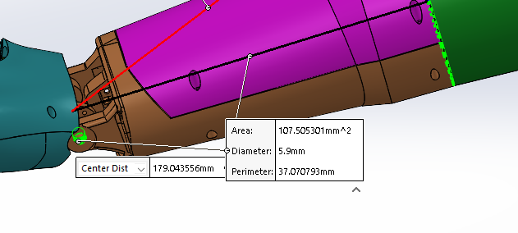

 | Pinky | ring | middle | index | thumb
PIP joint to furthest point | 56 | 60.6 | 60.9 | 55.6 | 55.6
MCP to PIP | 37.7 | 47.7 | 52.1 | 52.1 | 45.9
x of center of MCP axle (+/1) | 50.5 | 56.1 | 64.1 | 63
y of center of MCP axle (+/-1) | 55.3 | 35.6 | 17.9 | 9.6 |  | example
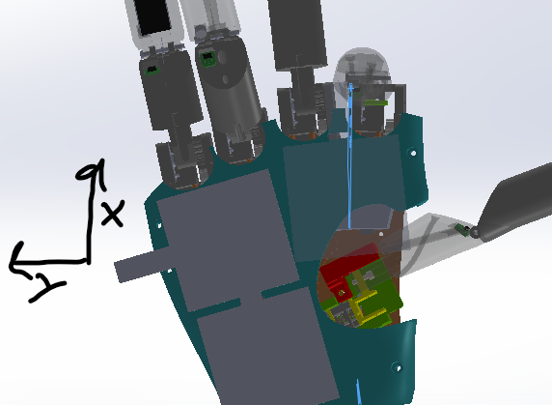
Angle (anticlock) | 6 | 5 | 0.5 | -7 |  | 0 | 45

Direction of MCP segment at angle = 0
x | 0.9945218954 | 0.9961946981 | 0.9999619231 | 0.9925461516 |  | 1 | 0.7071067812
y | 0.1045284633 | 0.08715574275 | 0.008726535498 | -0.1218693434 |  | 0 | 0.7071067812
z | 0 | 0 | 0 | 0 |  | 0 | 0

MCP axis of rotation
x | 0.1045284633 | 0.08715574275 | 0.008726535498 | -0.1218693434 |  | 0 | 0.7071067812
y | -0.9945218954 | -0.9961946981 | -0.9999619231 | -0.9925461516 |  | -1 | -0.7071067812
z | 0 | 0 | 0 | 0 |  | 0 | 0

